Figure1
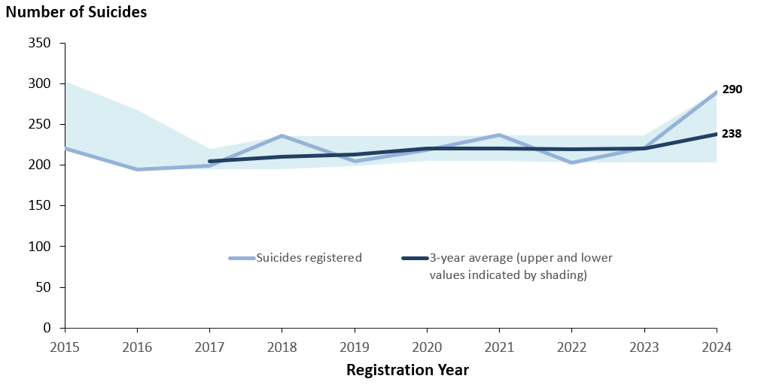
Number of Suicides [notes 1, 2 , 3 and 4] Registered in Northern Ireland, 2015-2024
This sheet contains one graph. The title may refer to notes which can be found on the notes worksheet.
Please press here to return to the worksheet containing the Table list.

Figure2
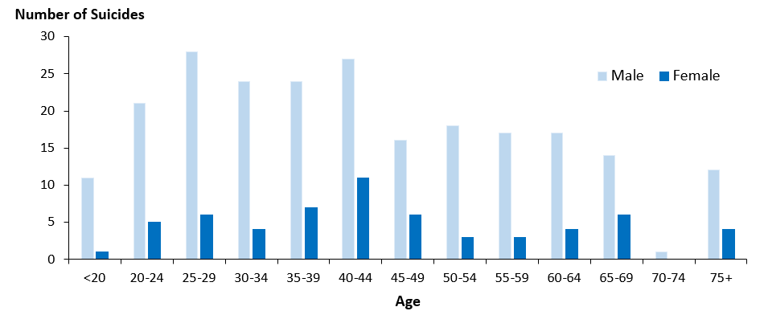
Number of Suicides [notes 1, 2 and 3] Registered in Northern Ireland by Sex and Age, 2024
This sheet contains one barchart. The title may refer to notes which can be found on the notes worksheet.
Please press here to return to the worksheet containing the Table list.

Figure3
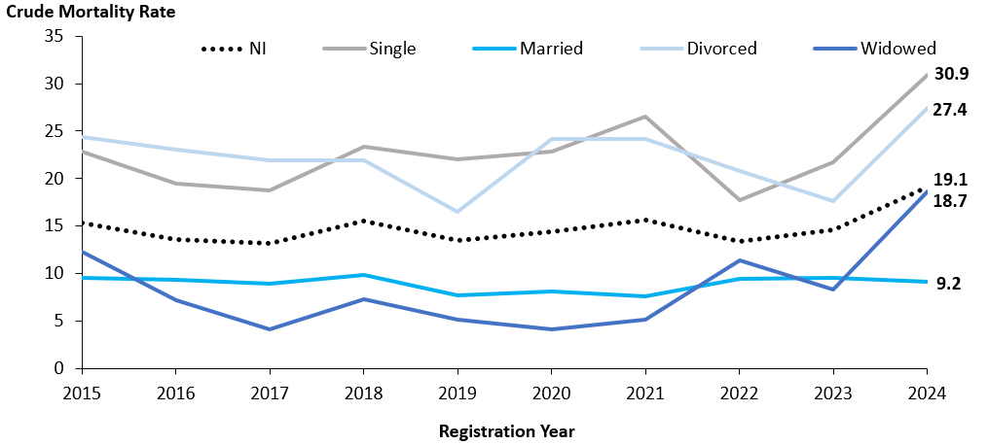
Crude Mortality Rate [note 5] per 100,000 Population aged 16+ for Suicides [notes 1, 2 and 3]
Registered in Northern Ireland by Marital Status [note 6], 2015-2024
This sheet contains one graph. The title may refer to notes which can be found on the notes worksheet.
Please press here to return to the worksheet containing the Table list.

Figure4
Age Standardised Mortality Rate (ASMR) [note 7] per 100,000 Population for Suicides
[notes 1, 2 and 3] Registered in Northern Ireland by Sex, 2015-2024
This sheet contains one graph. The title may refer to notes which can be found on the notes worksheet.
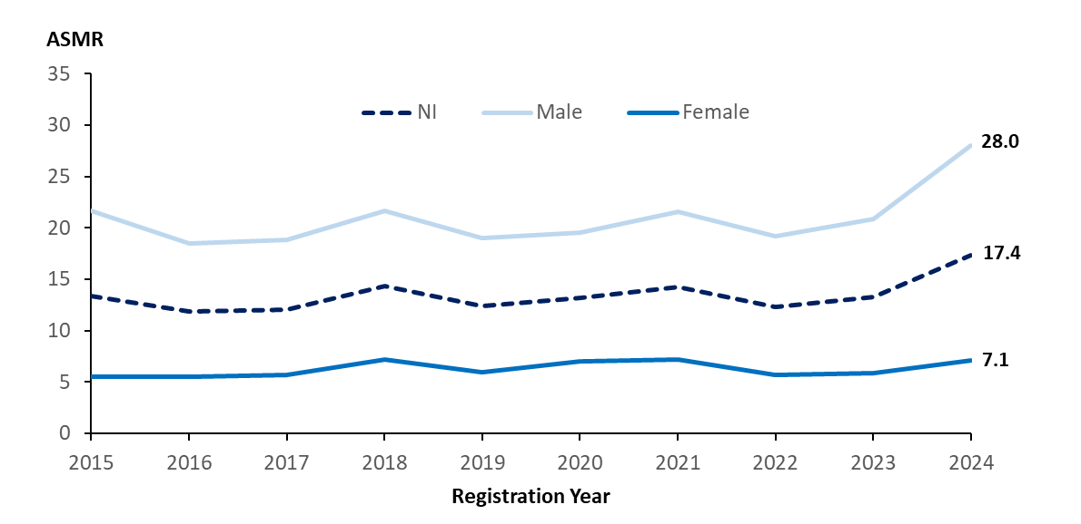
Please press here to return to the worksheet containing the Table list.

Figure5
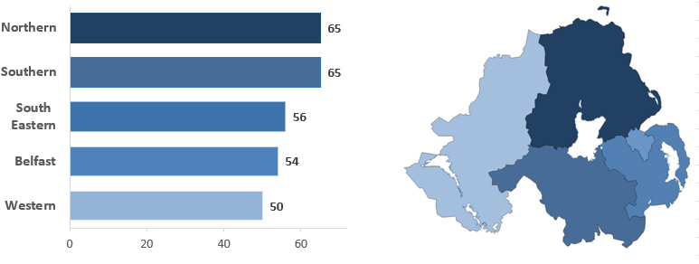
Number of Suicides [notes 1, 2 and 3] Registered in Northern Ireland by Health and Social Care Trust, 2024
This sheet contains a barchart and a map. The title may refer to notes which can be found on the notes worksheet.
Please press here to return to the worksheet containing the Table list.

Figure6
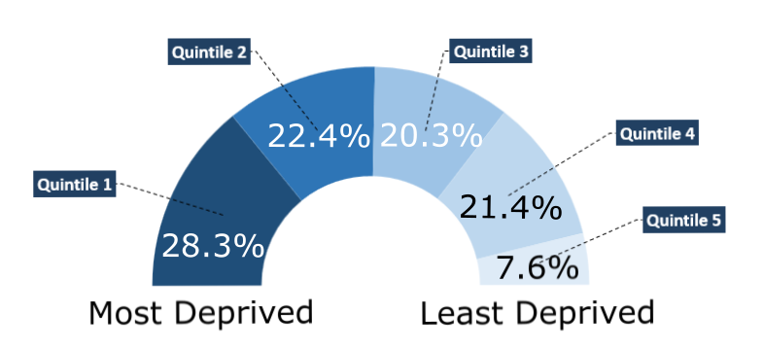
Percentage of Suicides [notes 1, 2 and 3] Registered in Northern Ireland by NI Multiple Deprivation Measure (2017), 2024
This sheet contains one half-doughnut graphic. The title may refer to notes which can be found on the notes worksheet.
Please press here to return to the worksheet containing the Table list.

Figure7
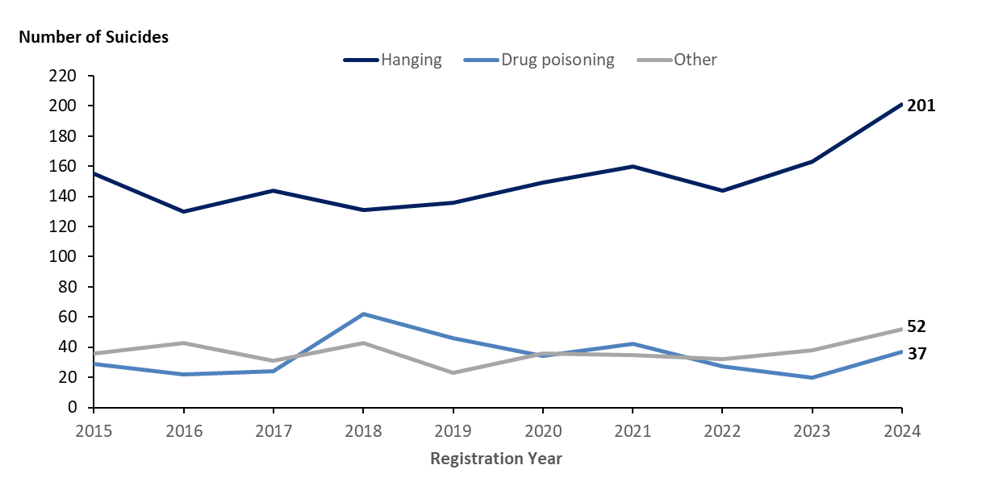
Number of Suicides [notes 1, 2 and 3] Registered in Northern Ireland by Method [note 12], 2015-2024
This sheet contains one graph. The title may refer to notes which can be found on the notes worksheet.
Please press here to return to the worksheet containing the Table list.

Figure8
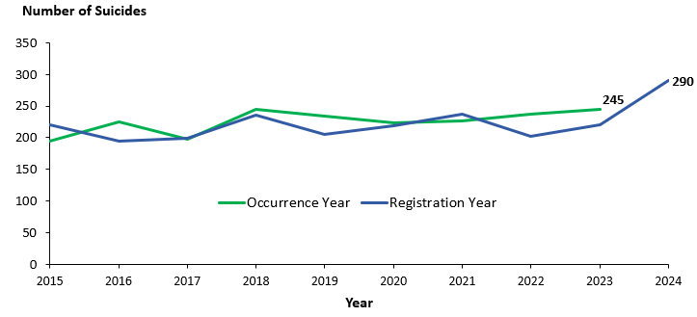
Number of Suicides [note 1 and note 3] in Northern Ireland by Registration Year and Occurrence Year, 2015-2024 [note 8]
This sheet contains one graph. The title may refer to notes which can be found on the notes worksheet.
Please press here to return to the worksheet containing the Table list.

Figure 9
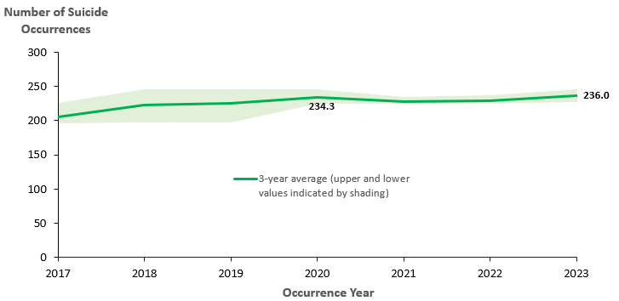
Number of Suicides [notes 1, 2 and 3] (three-year rolling average [note 4]) in Northern Ireland by Occurrence Year, 2017-2023 [note 8]
This sheet contains one graph. The title may refer to notes which can be found on the notes worksheet.
Please press here to return to the worksheet containing the Table list.

